Statistical Measures

Scatter Plot Y vs . X
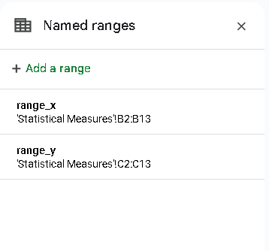
 | X | Y |  | SCATTER PLOT Y vs. X | Optional | MY Named Ranges
 | 12 | 77
 | 16 | 64
 | 18 | 53
 | 20 | 21
 | 19 | 84
 | 7 | 90
 | 15 | 26
 | 16 | 46
 | 12 | 33
Use the data to calculate the following measures. (All measures shown in red) | 10 | 85
 | 9 | 72
 | 11 | 46
COUNT Function | 12 | 12
SUM Function | 165 | 697
MODE Function | 12 | 46
MEDIAN Function | 13.50 | 58.50
MEAN Calculation | 13.75 | 58.08 |  | COVARIANCE Calculation | -46.34
MEAN Function | 13.75 | 58.08 |  | COVARIANCE Function | -46.34
MIN Function | 7 | 21 |  | CORRELATION Calculation | -0.46
MAX Function | 20 | 90 |  | CORRELATION Function | -0.46
RANGE Calculation | 13 | 69
Q1 Function | 10.75 | 42.75
Q2 Function | 13.50 | 58.50
Q3 Function | 16.50 | 78.75
IQR Calculation | 5.75 | 36
VARIANCE Calculation | 17.48 | 577.54 | Sample or population, both will be accepted |  | VAR for population
VARIANCE Function | 17.48 | 577.54 |  |  | VAR.S for sample
STANDARD DEV Calculation | 4.18 | 24.03 | Sample or population, both will be accepted |  | DSTDEV for population
STANDARD DEV Function | 4.18 | 24.03 |  |  | STDEV for sample
SKEWNESS Function | -0.0128776664 | -0.191540125
KURTOSIS Function | -1.183534705 | -1.401790616

